User Guide
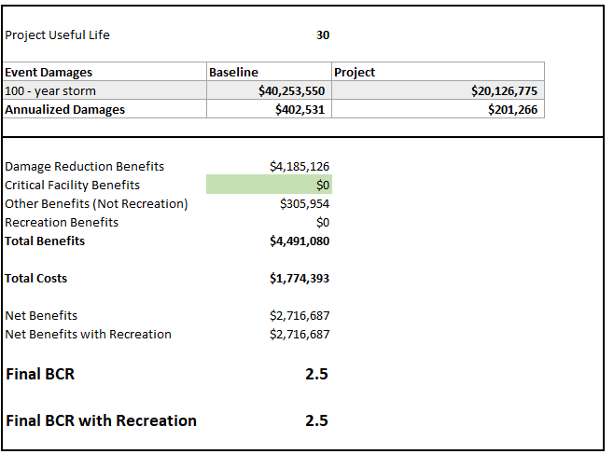
AGFL Tool User Guide

Purpose
The Agricultural Flood Loss (AGFL) tool is designed to help planners estimate the economic damage associated with crop damage due to flooding. All estimates are provided at county levels with user selection of specific crops and damaged area (acres). Crop sensitivity to seasonality of flooding and duration are included as variables. Damages are reported in U.S. dollars by crop type and month. County estimates of acres by crop type and mean yields are provided as reference.

Definitions
Mean Flood Depth – the estimated mean depth, in feet, of flood water across the damaged area. Value must be between 0.1 and 50 ft of flood depth.
Flood Duration – Estimated duration of flooding in days. Value must be between 1 and 30 days.
Damaged Area Acres – a user input of damaged area, in acres, for each crop. Set area values to 0 for crops not expected to be affected by flooding.
Monthly Damages – calculates crop damage and associated value per acre for each month. This calculation is intended to be used for specific months rather than all months. Economic damage across months can be compared. Damage is calculated independently each month, therefore can not be summed across months.
Annualized Damages – calculates crop damage and associated economic value for each month and divides by 12. All monthly check boxes should be selected.
County AVG acres – mean acres by crop for each county using NASS estimates from 2008 through 2022.
County Mean Yield – mean yield by crop for each county using NASS estimates from 2008 through 2022. Units vary by crop, ex. Bushels, tons, pounds, etc. (Table 1). High Value crops include all tree nut, fruit, and vegetable crops and provides value per acre rather than yield.

Table 1. Crop types, yield units, and crop price per unit. | Units | Crop Price Per Unit ($)
CORN, IRRIGATED | bushel | $4.90
CORN, NON-IRRIGATED | bushel | $4.90
COTTON, UPLAND, IRRIGATED | pound (lint) | $0.75
COTTON, UPLAND, NON-IRRIGATED | pound (lint) | $0.75
OATS | pound | $9.00
PEANUTS | pound | $0.27
RICE | pound | $0.18
SORGHUM, IRRIGATEDD | bushel | $5.00
SORGHUM, NON-IRRIGATED | bushel | $5.00
SOYBEANS | bushel | $12.00
SUNFLOWER | pound | $0.35
WHEAT, WINTER, IRRIGATED | bushel | $9.00
WHEAT, WINTER, NON-IRRIGATED | bushel | $9.00
HIGH VALUE ($/A) | sales/A | $1.00
Hay Production | ton | $300.00
Forage/Range Production | ton | $300.00

All Crop – RMA Flood – sum of acres for all crops reporting flood losses to the USDA Risk Management Agency (RMA) within each county annually. Mean value of flood acres from 2008-2022 is provided for each county.

Assumptions
It is assumed the user will know what crops will be potentially flooded and approximate acres. County estimates of acres and yield by crop type are for reference. Because no acres or yield is reported through NASS, it does not mean that various crops are not grown in the county. NASS does not report for counties with less than 1,000 acres for a given crop.
For Counties without reported acres or yield for any crop will show zero acres and zero mean yield. If acres for a specific crop type is entered, statewide average yield will be used in calculations.
For counties that do not split irrigated from non-irrigated crops, all acres and yield reported through NASS are assumed to be non-irrigated for calculating damages.
For high value crops, any flooding in a given month is assumed to be 100% loss in value.
Flood damaged hay or range/forage acres use the estimated value of mean production levels for each county. Cost of replacement feed or deferred grazing is not included.
Crop prices updated December 2023.
Planting month is based on typical planting times for each crop by county. Some counties may start earlier or later. Monthly resolution does not allow for specific plant dates.
Damages are for actual crop value lost due to flooding within a given month. Replanting or other economic factors are not included in the calculation.

Using The Tool
All beige cells are user inputs.
Select county of interest from drop down menu by clicking on down arrow on right hand side of cell.
Enter mean flood depth for affected area.
Enter days of flooding expected.
Select monthly or annualized calculation of damages.
Enter damaged area in acres for each crop of interest.
If using annualized damages, all months will calculate regardless of checkbox status.
If using monthly damages, check only months of interest.

Plugging values from the Ag Loss tool into BCA tool
The V0.3 Ag Loss tool can be rolled into other Excel-based tools if needed (for example, the TWDB Flood BCA Calculator attached here - "TWDB BCA Input Workbookv1.3 _Draft_2024.xlsm" ). The TWDB Flood BCA Calculator tool has been designed to calculate the Benefit Cost Ratio (BCR) of flood risk management projects for the Texas Water Development Board (TWDB). It is designed to analyze and calculate the BCA for Baseline (Before Mitigation) and Project (After Mitigation) Damages

Example/Test Case for BCA calculations
1. First open the 'TWDB BCA Input Workbookv1.3 _Draft_2024.xlsm' tool and go to the 'Project Information' sheet. This is an example of a Flood Mitigation Project in Pecos County that is in the planning stage. Please enter the project details in the ‘Project information’ page as seen below with the Project Name, Project Region, Project Type, Start of construction year and End of construction year. Then, enter a recurrence interval in cell B15. In the 'Types of Project Impacts' section, please enter 'Yes' for 'Agricultural Damage Reduction'.

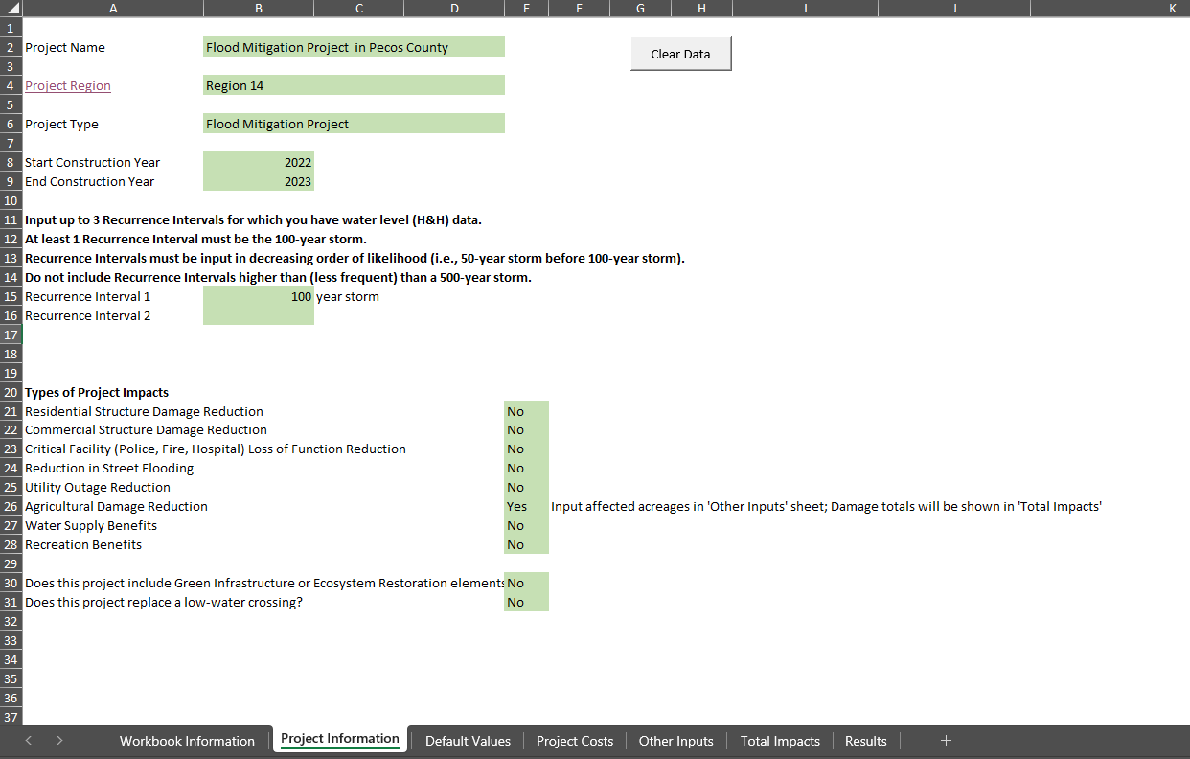

2. Next, please enter the Project Cost and the Project Lifespan in the 'Project Costs' sheet (see given example)

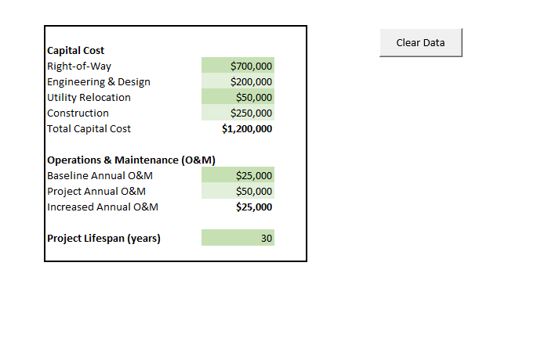

3. The next step is to go to the 'Other Inputs' sheet in the BCA workbook that require Baseline Acreage and Damage/Acre values. These values can be directly copied from the AGFL tool. For example, the user will first enter the 'Damaged Area Acres' for their farmland in the AGFL tool and calculate the Damage for All Crops for any recurrence interval (100-yr in this case)

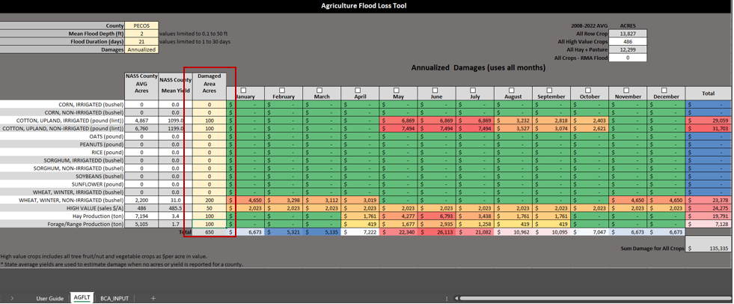

These values are summed up in the BCA_INPUT sheet of the AGFL tool as seen below. The user does not need to input any data here these are automatically calculated based on data in the AGFLT tab. This data can be used in the TWDB Flood BCA Calculator.

These numbers can be directly added as Baseline values in 'Other Inputs' sheet in the BCA toolkit (please see below). It is assumed here that there is a 50 percent reduction in damage after implementing the Flood Mitigation Project.
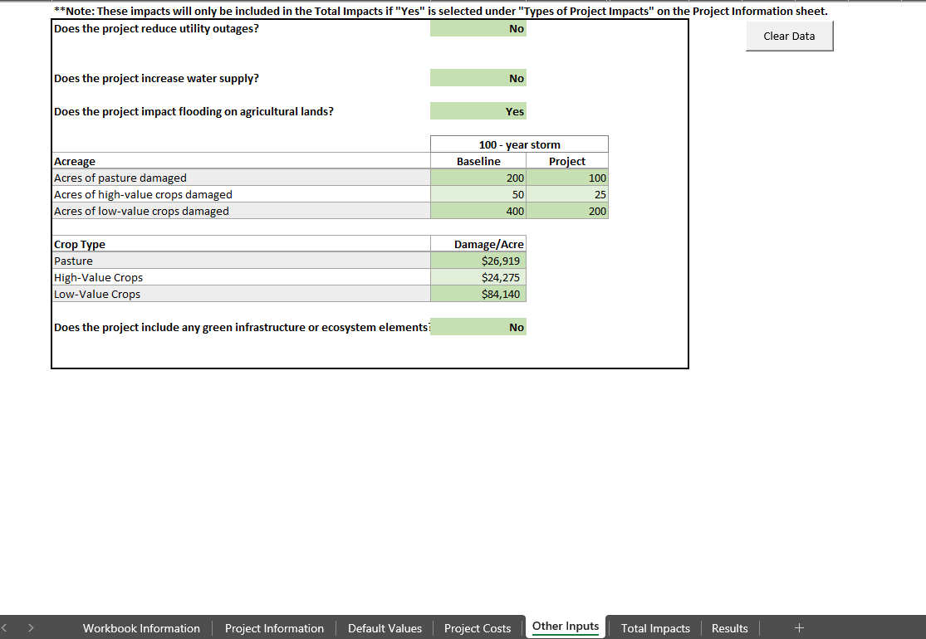

The above method will give a BCR value in the 'Results' sheet of the BCA toolkit. The final BCR value for the Flood Mitigation project is 2.5 which means that this project is cost effective.

